Graph
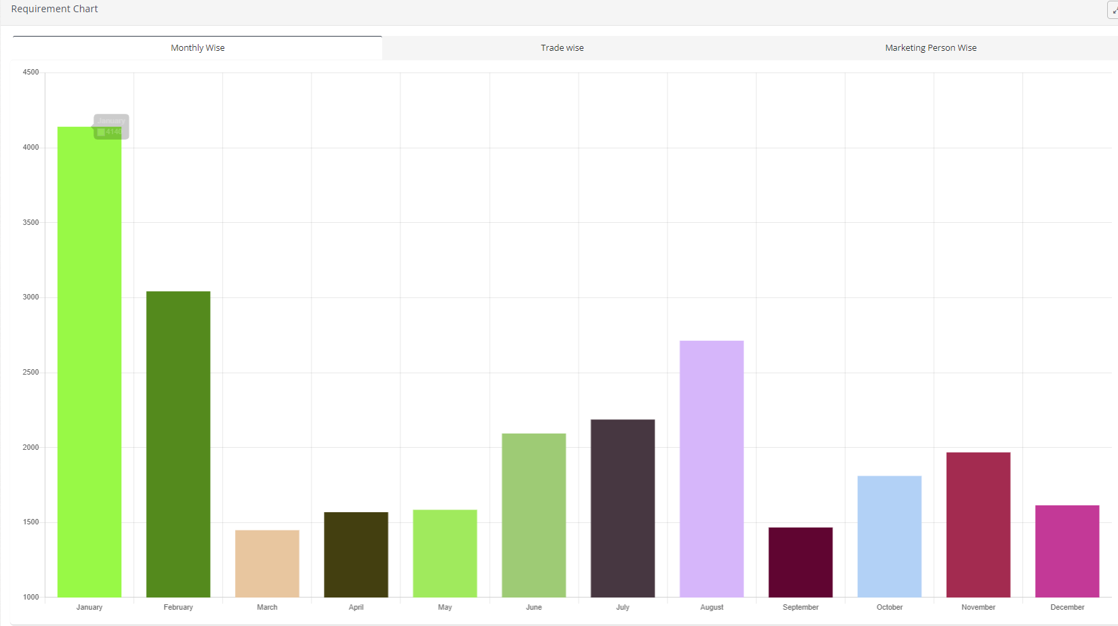

clim and exp with firm /3rd catgry etc
Month and year base

